OPIREG_SUBJECT
OPIREG_SUBJECT

VARIABLE | DESCRIPTION
BIRTH_DATE | Birth date
GENDER | Gender
HISPANIC | Hispanic indicator
OPIOID_FILL_DATE_FIRST | Date of first opioid fill during the cycle
OPIOID_FILL_DATE_LAST | Date of the most recent opioid fill as of cycle end date
OPIREG_ENTRY_DATE | Date of the opioid fill or OUD diagnosis that got the person entered into the registry. This is the first opioid fill or OUD diagnosis for the person in the cycle.
OUD_DX_DATE_FIRST | Date of first opioid use disorder diagnosis during the cycle
OUD_DX_DATE_LAST | Date of THE MOST RECENT opioid use disorder diagnosis during the cycle
RACE1 | Race
RACE2 | Race
RACE3 | Race
RACE4 | Race
RACE5 | Race
REGISTRY_START_DATE | The start date of the current registry cycle. This is the same date for all subjects.
REGISTRY_STOP_DATE | The stop date of the current registry cycle. This is the same date for all subjects.
STUDY_ID | Unique patient ID
SUBJECT_FOLLOWUP_START_DATE | Earliest possible date of registry information for this patient. This date is one year prior to the earliest of: 1) OPIOID_FILL_DT_FIRST, 2) OPOID_OUD_DX_DT_FIRST. However, if the earliest of those dates is before January 1, 2012, then SUBJECT_FOLLOWUP_START_DT is January 1, 2012. But this date can never be earlier than the patient's 18th birthday. Therefore SUBJECT_FOLLOWUP_START_DT can be less than 1 year before the "entry" into the registry (first OUD dx or first opioid fill) if entry was during 2012 or if the patient was less than 19.
TRUNC_SUBJECT_START_DATE_FLAG | 0/1 flag indicating that the opioid registry will not have an entire year's worth of data prior to the patient's "entry" into the registry. In other words, SUBJECT_FOLLOWUP_START_DT is less than a year before the earliest of their OPIOID_FILL_DT_FIRST and OUD_DX_DT_LAST. This will happen for persons whose "entry" into the registry was during 2012 or whose entry was during their 18th year of life. Note that you still need to check enrollment to know whether you would expect data to exist for this patient in the VDW at any given time.
VERSION_OPIREG_PROGRAM | Indicates the version of the code. The first two characters refer to the version of the "user_inputs" macro code. The last two characters refer to the specific program that created the file.
1. List of persons that had an opioid use diagnosis or opioid fill between 1/1/2012 and 12/31/2017. Opioid use diagnoses and fills were only pulled for persons >=18 years of age at time of the fill or OUD diagnosis.
The formula used in various programs of this registry to calculate age is a very commonly used one. However, it assumes that persons born on February 29 celebrate their birthdays on March 1st. For a very small number of persons (those with birthdays on 2/29 and whose subject_followup_start_date is 2/28) their integer age as calculated by this formula can yield an age of 17 years. This result is purely a matter of convention and I think the results are consistent with the protocol that calls for inclusion only of persons 18 years of age and older.

We should come up with a uniform set of site mnemonics (or a code for each site)
If we can settle on race categories, it may be better to mimic the VSD appraoch
WHITE | 1=WHITE
BLACK | 1=BLACK
ASIAN | 1=ASIAN
HAWAIIAN | 1=HAWAIIAN OR OTHER PACIFIC ISLANDER
NATAMER | 1=NATIVE AMERICAN OR ALEUTIAN
OTHER | 1=OTHER RACE
HISPANIC | 1=HISPANIC

Documentation from the VDW:

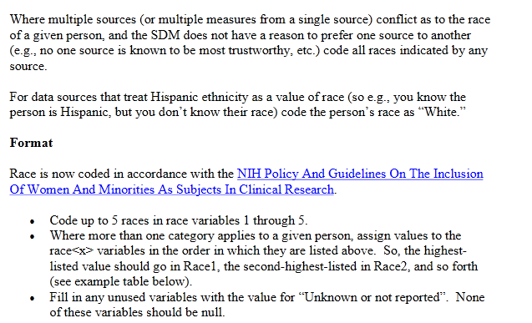

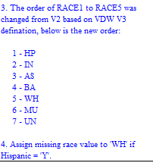

The KPNC VDW documentation indicates the following RACE codes - however KPNC did not have any "MU" in the RACE1-RACE5 variables
 | HP = Native Hawaiian / Pacific Islander IN = American Indian / Alaskan Native AS = Asian BA = Black or African American WH = White MU = Multiple races with particular unknown OT = Other, values that do not fit well in any other value UN = Unknown or Not Reported

